How to use this tool
 | 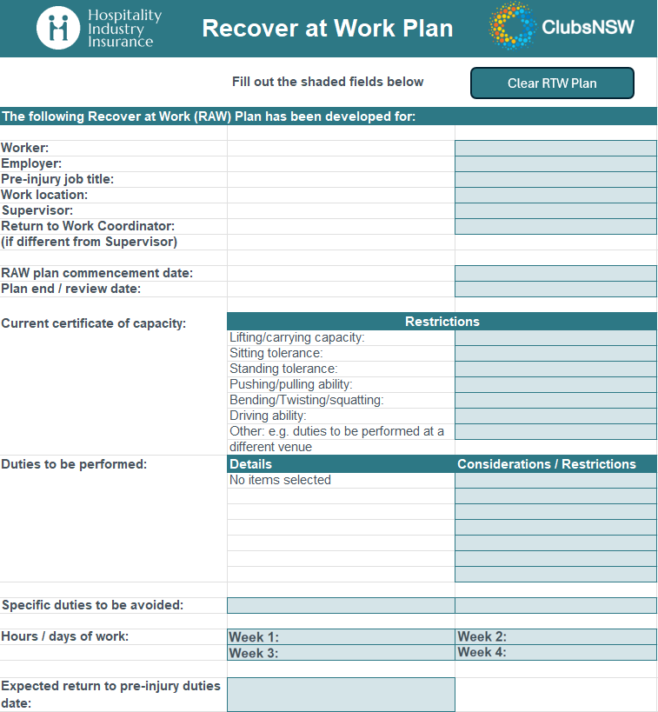

How to use this interactive tool
This tool helps you identify suitable duties and automatically create a draft Recover at Work (RAW) Plan. By selecting the duties that apply to your Injured Worker, the tool populates the relevant sections and reduces the amount of information you need to manually complete. Follow the steps below to complete your Workers Suitable Duties Register and RAW Plan: 1. Open the 'Suitable Duties' tab: Review the list of duties and tick all the duties that apply to your Worker. You can select up to 8 duties. Also consider if there are other venues available for duties, if a Worker cannot return to their pre-injury venue immediately. To clear the selection, click the 'De-select all' button. 2. Allow the tool to auto-populate your selections: Your selected duties will automatically appear in both the RAW Plan and the Suitable Duties Register tabs. 3. Complete the remaining fields in the RAW Plan: Fill in the additional fields such as hours/days of work, specific duties to be avoided and expected return to pre-injury duties date. To clear the form for a new Worker, or to start again, click the 'Clear RAW plan' button. 4. Save or print your completed plan: Keep a digital copy for your records, or print the plan and provide it to the Nominated Treating Doctor to support your Worker's consultation.

Suitable Duties
De-select all
Suitable Duties
Select all that apply. There is a limit of 8 duties that can be selected at any one time. Duties can be provided across a range of roles, and can be selected according to capacity. If a Worker cannot perform duties in their normal role, consider other roles that may have tasks that they can perform while they recover.
Roles | Duties | Suitable?
Concierge / Receptionist | Greeting guests
Concierge / Receptionist | Checking memberships
Concierge / Receptionist | Answering calls
Concierge / Receptionist | Managing reservations
Concierge / Receptionist | Assisting members
Gaming Attendant | Assist patrons with gaming
Gaming Attendant | Ensure compliance
Gaming Attendant | Handle payouts
Gaming Attendant | Preparing drink orders
Gaming Attendant | Drink service
Gaming Attendant | Cleaning pokie machines
Gaming Attendant | Pulling out stackers / stocking pokies
Gaming Attendant | Pushing in pokie chairs
Gaming Attendant | Monitor machines
Food & Beverage Attendant | Café service
Food & Beverage Attendant | Bartending
Food & Beverage Attendant | Table clear & return to scullery
Food & Beverage Attendant | Handling glass racks
Food & Beverage Attendant | Setup & pack down
Food & Beverage Attendant | Table Service
Food & Beverage Attendant | Handle payments
Food & Beverage Attendant | Maintain cleanliness
Food & Beverage Attendant | Stock & replenishing
Food & Beverage Attendant | Folding napkins
Waitstaff / Café Attendant | Seat customers
Waitstaff / Café Attendant | Take orders
Waitstaff / Café Attendant | Serve meals and drinks
Waitstaff / Café Attendant | Clear tables
Waitstaff / Café Attendant | Assist with cleaning
Barista | Prepare and serve coffee
Barista | Maintain coffee station
Barista | Handle POS
Barista | Manage stock levels
Chef / Cook | Food preparation (incl. chopping and portioning)
Chef / Cook | Manning food stations
Chef / Cook | Maintain kitchen hygiene
Chef / Cook | Manage stock (push/pull, lift/carry)
Chef / Cook | Supervise kitchen team
Chef / Cook | Assist with menu planning
Kitchen Hand / Steward | Dishwashing (manual)
Kitchen Hand / Steward | Dishwashing (washer)
Kitchen Hand / Steward | Stock pantry
Kitchen Hand / Steward | Clean kitchen
Kitchen Hand / Steward | Assist chefs
Kitchen Hand / Steward | Prepare ingredients
Kitchen Hand / Steward | Manage waste
Kitchen Hand / Steward | Polishing cutlery and glassware
Duty Manager / Operations Supervisor | Oversee daily operations
Duty Manager / Operations Supervisor | Supervise staff
Duty Manager / Operations Supervisor | Manage incidents
Duty Manager / Operations Supervisor | Handle cash reconciliation
Membership / Loyalty Coordinator | Manage member database
Membership / Loyalty Coordinator | Handle renewals
Membership / Loyalty Coordinator | Run loyalty programs
Membership / Loyalty Coordinator | Produce communications
Events & Functions Coordinator | Plan and coordinate events
Events & Functions Coordinator | Liaise with clients
Events & Functions Coordinator | Arrange catering and setup
Events & Functions Coordinator | Manage bookings
Administration Officer / Office Assistant | Data entry
Administration Officer / Office Assistant | Maintain records
Administration Officer / Office Assistant | Support HR/payroll
Administration Officer / Office Assistant | Assist with correspondence
Administration Officer / Office Assistant | Manage supplies
Finance / Accounts Officer | Process invoices
Finance / Accounts Officer | Reconcile accounts
Finance / Accounts Officer | Assist payroll
Finance / Accounts Officer | Prepare reports
Finance / Accounts Officer | Support audits
HR / Training Officer | Recruitment support
HR / Training Officer | Maintain employee records
HR / Training Officer | Coordinate training
HR / Training Officer | Manage rosters
Maintenance / Groundskeeper | General repairs
Maintenance / Groundskeeper | Safety checks
Maintenance / Groundskeeper | Maintain grounds
Maintenance / Groundskeeper | Coordinate contractors
Cleaner / Housekeeper | Clean facilities
Cleaner / Housekeeper | Manage waste
Cleaner / Housekeeper | Restock cleaning/housekeeping supplies
Cleaner / Housekeeper | Ensure hygiene compliance
Cleaner / Housekeeper | Cleaning a bathroom (with tub)
Cleaner / Housekeeper | Cleaning a bathroom (without bathtub)
Cleaner / Housekeeper | Making a bed
Cleaner / Housekeeper | Pushing housekeeping trolley
Cleaner / Housekeeper | Vacuuming
Promotions / Marketing Assistant | Support promotions
Promotions / Marketing Assistant | Manage social media
Promotions / Marketing Assistant | Set up events
Promotions / Marketing Assistant | Conduct raffles and prize draws
Security Officer | Monitor patron entry
Security Officer | Check IDs
Security Officer | Ensure safety
Security Officer | Respond to incidents
Security Officer | Report and log activities
Use these options to add any duties not covered above | *Free text*
Use these options to add any duties not covered above | *Free text*
Use these options to add any duties not covered above | *Free text*
Use these options to add any duties not covered above | *Free text*

RAW Plan
Clear RAW Plan
Recover at Work Plan
Fill out the shaded fields below
The following Recover at Work (RAW) Plan has been developed for:

Worker:
Employer:
Pre-injury job title:
Work location:
Supervisor:
Return to Work Coordinator:
(if different from Supervisor)

RAW plan commencement date:
Plan end / review date:
Current certificate of capacity:
 | Restrictions
 | Lifting/carrying capacity:
 | Sitting tolerance:
 | Standing tolerance:
 | Pushing/pulling ability:
 | Bending/Twisting/squatting:
 | Driving ability:
 | Other: e.g. duties to be performed at a
 | different venue
Duties to be performed: | Details | Considerations / Restrictions
 | No items selected

Specific duties to be avoided:

Hours / days of work:

Expected return to pre-injury duties date:

The following parties have agreed
to the plan: | Name | Signature
Worker:

Supervisor:

Return to Work Coordinator (if
different to Supervisor):
Nominated treating doctor:
Date

Suitable Duties Register
SUITABLE DUTIES REGISTER
The following suitable duties have been collated from the options chosen in the "Suitable duties" tab. These options can be amended and a new list generated at any time, as capacity changes.

Options have been grouped according to role, and are not all inclusive of the tasks required for each role. This list is designed to assist Employers and Doctors identify and sign off on suitable duties, to assist Workers to recover at work.

Duties | Doctor approval (Y / N) | Notes on capacity (restrictions or considerations)
e.g. Greeting patrons and checking I.D. | Yes | Allow a seated rest break every 30 minutes / suitable duties at a different venue
No items selected

WORKPLACE INJURY MANAGEMENT AND WORKERS COMPENSATION ACT 1998 - SECT 49
Employer must provide suitable work
49 Employer must provide suitable work
(1) If a worker who has been totally or partially incapacitated for work as a result of an injury is able to return to work (whether on a full-time or part-time basis and whether or not to his or her previous employment), the employer liable to pay compensation to the worker under this Act in respect of the injury must at the request of the worker provide suitable employment for the worker.
:Maximum penalty -- 50 penalty units.
(2) The employment that the employer must provide is employment that is both suitable employment (as defined in section 32A of the 1987 Act) and (subject to that qualification) so far as reasonably practicable the same as, or equivalent to, the employment in which the worker was at the time of the injury.

